Table 1
This file presents the data from the table in CBO's December 2023 report CBO’s Current View of the Economy From 2023 to 2025.
http://www.cbo.gov/publication/59837

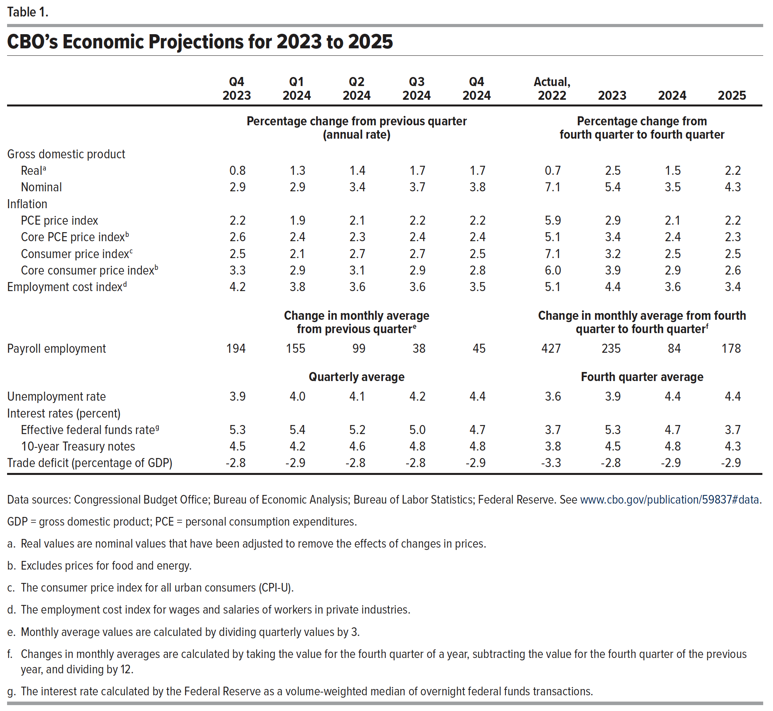
Table 1. CBO’s Economic Projections for 2023 to 2025

 | Q4 2023 | Q1 2024 | Q2 2024 | Q3 2024 | Q4 2024 | Actual, 2022 | 2023 | 2024 | 2025
 | Percentage change from previous quarter (annual rate) |  |  |  |  | Percentage change from fourth quarter to fourth quarter
Gross domestic product
Real | 0.8 | 1.3 | 1.4 | 1.7 | 1.7 | 0.7 | 2.5 | 1.5 | 2.2
Nominal | 2.9 | 2.9 | 3.4 | 3.7 | 3.8 | 7.1 | 5.4 | 3.5 | 4.3
Inflation
PCE price index | 2.2 | 1.9 | 2.1 | 2.2 | 2.2 | 5.9 | 2.9 | 2.1 | 2.2
Core PCE price index | 2.6 | 2.4 | 2.3 | 2.4 | 2.4 | 5.1 | 3.4 | 2.4 | 2.3
Consumer price index | 2.5 | 2.1 | 2.7 | 2.7 | 2.5 | 7.1 | 3.2 | 2.5 | 2.5
Core consumer price index | 3.3 | 2.9 | 3.1 | 2.9 | 2.8 | 6.0 | 3.9 | 2.9 | 2.6
Employment cost Index | 4.2 | 3.8 | 3.6 | 3.6 | 3.5 | 5.1 | 4.4 | 3.6 | 3.4
 | Change in monthly average from previous quarter |  |  |  |  | Change in monthly average from fourth quarter to fourth quarter
Payroll employment | 194 | 155 | 99 | 38 | 45 | 427 | 235 | 84 | 178
 | Quarterly average |  |  |  |  | Fourth quarter average
Unemployment rate | 3.9 | 4.0 | 4.1 | 4.2 | 4.4 | 3.6 | 3.9 | 4.4 | 4.4
Interest rates (percent)
Effective federal funds rate | 5.3 | 5.4 | 5.2 | 5 | 4.7 | 3.7 | 5.3 | 4.7 | 3.7
10-year Treasury notes | 4.5 | 4.2 | 4.6 | 4.8 | 4.8 | 3.8 | 4.5 | 4.8 | 4.3
Trade deficit (percentage of GDP) | -2.8 | -2.9 | -2.8 | -2.8 | -2.9 | -3.3 | -2.8 | -2.9 | -2.9

Back to Table of Contents

